Welcome
NST Scorecard and Performance Measures
The Following measures are provided within this data |  | Todays Date | 2024-08-30 13:10:16


Measure | Latest Data Date | Data Source

Data provided by Business Insights Team

In Confidence - Confidential Thames Water Report

The information in this report from Thames Water may be privileged and confidential. If you are the intended recipient the contents should not be shared with or disclosed to third parties.
If you are not the intended recipient, be aware that any disclosure, copying, distribution or use of the contents of this information is prohibited.
If you have received/accessed this report in error, please report this immediately via the preparer below.
The information in this report is provided in good faith and, whilst every effort is made to ensure the information is correct at the time of compilation, Thames Water does not accept any liability for any errors or
omissions in the information presented.
The content, format, and frequency of this report may be changed at Thames Waters discretion and without notice.
Please contact the report owner for change requests and feedback.

Prepared by: | Kevin Obianwu
Report Owner: | Business Insights Team

Review Date: | 2024-09-29 13:10:16

SQL Script

Scorecard
Team Performance Scorecard
In-Confidence for Line Managers.
How a piece of String?
 |  |  | BANKS LOUIE

Hello KObianwu,

Please select you name below to view your teams latest performance scorecard metrics. The latest months data is for

Line Manager | BANKS LOUIE
NST | Christopher Keep

A piece of string is twice as long as half its length
Metrics | Latest Month | Previous Month | 13 Weeks | Trend | Team Avearage Total | Metric Overview | Column1
Jobs_per_Day | 2.87 | 3.26 | 2.57 |  | 2.44 | Focus Area
AvailabilityPercentNoCRP | 92.73% | 77.78% | 69.29% |  | 82.09% | Going Well
AvailableHoursIncBankOver | 137.75 | 119.00 | 343.25 |  | 3757.92 | Focus Area
Spanner_Efficiency | 151.03% | 105.01% | 127.89% |  | 90.11% | Going Well |  | 3
COMP | 34 | 40 | 82 |  | 1064 | Focus Area |  | 4
PercentageCOMP | 70.83% | 85.11% | 76.64% |  | 95.68% | Focus Area
UNCO | 14.00 | 7.00 | 25.00 |  | 48.00 | Focus Area
PercentageUNCO | 29.17% | 14.89% | 23.36% |  | 4.32% | Focus Area
ASTO Allocated | 29.00 | 30.00 | 67.00 |  | 210.00 | Going Well | Raised By
PercentageASTO | 46.03% | 42.86% | 44.97% |  | 16.48% | Focus Area
avg_start_first_task | 10:54:00 | 10:16:00 | 10:17:00 |  | 1:16:00 | Focus Area
avg_end_first_task | 11:44:00 | 11:57:00 | 11:51:00 |  | 10:36:00 | Going Well
avg_start_last_task | 14:24:00 | 14:07:00 | 14:19:00 |  | 12:37:00 | Focus Area |  | COPPER
avg_end_last_task | 14:24:00 | 14:58:00 | 14:51:00 |  | 22:34:00 | Focus Area |  | SI
productive_time | 94.07 | 1900-04-17 18:43:12 | 1900-08-29 00:43:12 |  | 1907-02-08 05:45:36 | Going Well |  | mi
utilisation | 68.29% | 91.41% | 70.51% |  | 69.09% | Going Well
Overtime | 3.75 | 0.00 | 3.75 |  | 451.72 | Focus Area
CRP | 0.00 | 0.00 | 0.00 |  | 60.50 | Going Well
core | 144.50 | 153.00 | 490.00 |  | 4101.20 | Going Well
business | 10.50 | 0.00 | 68.00 |  | 264.75 | Focus Area
personal | 0.00 | 34.00 | 82.50 |  | 469.75 | Going Well

If you have any questions or would like some support on your focus areas, contact the SEOM Team.
To view the full report please use the link below;
Regards,
SEOM Insights Team
East Anglia

Key AVG Charts
Jobs Per Day
 | Total
BANKS LOUIE | 2.44
CLASSEY ELEANOR | 3.26
SAKALLIS ANDREW | 0.02
TIWARI SURYA | 3.87
WINGROVE STEPHEN | 3.49
Overtime
 | Total
BANKS LOUIE | 451.72
CLASSEY ELEANOR | 280.15
SAKALLIS ANDREW | 240.75
TIWARI SURYA | 258.5
WINGROVE STEPHEN | 314.29

AvailabilityPercentNoCRP
 | Total
BANKS LOUIE | 0.8209
CLASSEY ELEANOR | 0.6468
SAKALLIS ANDREW | 0.7576
TIWARI SURYA | 0.5931
WINGROVE STEPHEN | 0.6642
Spanner Efficiency
 | Total
BANKS LOUIE | 0.9011
CLASSEY ELEANOR | 0.9367
SAKALLIS ANDREW | 1.1734
TIWARI SURYA | 0.9554
WINGROVE STEPHEN | 1.0109

Utilisation
 | Total
BANKS LOUIE | 0.6909
CLASSEY ELEANOR | 0.8841
SAKALLIS ANDREW | 0.0018
TIWARI SURYA | 0.9449
WINGROVE STEPHEN | 0.7892

13wkd eg
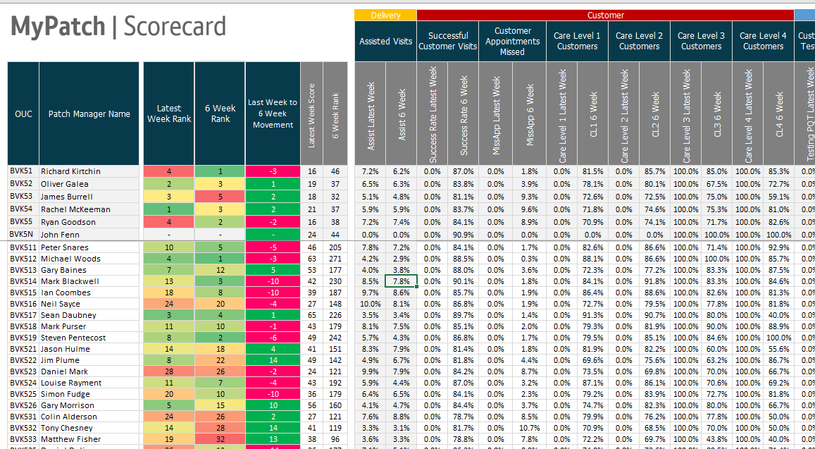
 |  |  |  | Jobs Per Day
opr_operation_number_employee_key | opr_operation_number_work_centre_text | NST | Manager | Last Month (May) | 13 Week Trend
12008907 | Water NSTs Western | Alistair Dennison |  | 3.19 | 4.2
12001173 | Water NSTs Western | Andrew Robbins |  | 2.74 | 2.74
12008109 | Water NSTs Western | Bradley Currie |  | 2.86 | 2.86
12007820 | Water NSTs Western | Bradley O'Hara |  | 2.06 | 2.06
12010741 | Water NSTs Western | Brian Brooks |  | 3.02 | 3.02
12009346 | Water NSTs Western | Calvin Brimecome |  | 2.52 | 2.52
10338012 | Water NSTs Western | Christopher Keep |  | 2.11 | 2.11
10453485 | Water NSTs Western | Christopher Moyle |  | 2.29 | 2.29
12005817 | Water NSTs Western | Christopher Scott |  | 3.87 | 3.87

